Figure 1ABC
Japan
Number of cases
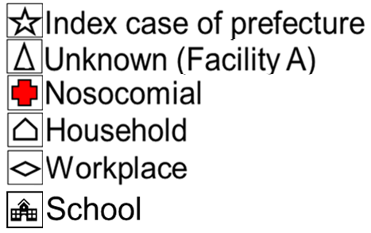
A
 | 8
 | 7
 | 6
 | 5
 | 4
 | 3
 | 2
5
 | 1
 |  | 2018-03-14 | 2018-03-15 | 2018-03-16 | 2018-03-17 | 2018-03-18 | 2018-03-19 | 2018-03-20 | 2018-03-21 | 2018-03-22 | 2018-03-23 | 2018-03-24 | 2018-03-25 | 2018-03-26 | 2018-03-27 | 2018-03-28 | 2018-03-29 | 2018-03-30 | 2018-03-31 | 2018-04-01 | 2018-04-02 | 2018-04-03 | 2018-04-04 | 2018-04-05 | 2018-04-06 | 2018-04-07 | 2018-04-08 | 2018-04-09 | 2018-04-10 | 2018-04-11 | 2018-04-12 | 2018-04-13 | 2018-04-14 | 2018-04-15 | 2018-04-16 | 2018-04-17 | 2018-04-18 | 2018-04-19 | 2018-04-20 | 2018-04-21 | 2018-04-22 | 2018-04-23 | 2018-04-24 | 2018-04-25 | 2018-04-26 | 2018-04-27 | 2018-04-28 | 2018-04-29 | 2018-04-30 | 2018-05-01 | 2018-05-02 | 2018-05-03 | 2018-05-04 | 2018-05-05 | 2018-05-06 | 2018-05-07 | 2018-05-08 | 2018-05-09 | 2018-05-10 | 2018-05-11 | 2018-05-12 | 2018-05-13 | 2018-05-14 | 2018-05-15 | 2018-05-16
Date of illness onset (day-month)
Taiwan, China
Number of cases
B
 | 8
 | 7
 | 6
 | 5
 | 4
 | 3
 | 2
 | 1
 |  | 2018-03-14 | 2018-03-15 | 2018-03-16 | 2018-03-17 | 2018-03-18 | 2018-03-19 | 2018-03-20 | 2018-03-21 | 2018-03-22 | 2018-03-23 | 2018-03-24 | 2018-03-25 | 2018-03-26 | 2018-03-27 | 2018-03-28 | 2018-03-29 | 2018-03-30 | 2018-03-31 | 2018-04-01 | 2018-04-02 | 2018-04-03 | 2018-04-04 | 2018-04-05 | 2018-04-06 | 2018-04-07 | 2018-04-08 | 2018-04-09 | 2018-04-10 | 2018-04-11 | 2018-04-12 | 2018-04-13 | 2018-04-14 | 2018-04-15 | 2018-04-16 | 2018-04-17 | 2018-04-18 | 2018-04-19 | 2018-04-20 | 2018-04-21 | 2018-04-22 | 2018-04-23 | 2018-04-24 | 2018-04-25 | 2018-04-26 | 2018-04-27 | 2018-04-28 | 2018-04-29 | 2018-04-30 | 2018-05-01 | 2018-05-02 | 2018-05-03 | 2018-05-04 | 2018-05-05 | 2018-05-06 | 2018-05-07 | 2018-05-08 | 2018-05-09 | 2018-05-10 | 2018-05-11 | 2018-05-12 | 2018-05-13 | 2018-05-14 | 2018-05-15 | 2018-05-16
Date of illness onset (day-month)

C
Taiwan (G2)
5
Taiwan (G3)
8

Aichi (G3)
Aichi (G4)
10
Aichi (G5)
9
Aichi (G6)
3

Okinawa (G3)
approx. 44
Okinawa (G2)
approx. 25
G1
Okinawa (G4)
approx. 19
Okinawa (G5)
approx. 2

Okinawa (G2)
8
Kanagawa (G4)
Tokyo (G5)
 |  |  |  |  |  |  |  |  |  |  |  |  |  |  |  |  |  |  |  |  |  |  |  |  |  |  |  |  |  |  |  |  |  |  |  |  |  |  |  |  |  |  |  |  |  |  |  |  | Kanagawa (G2)
 |  |  |  |  |  |  |  |  |  |  |  |  |  |  |  |  |  |  |  |  |  |  |  |  |  |  |  |  |  |  |  |  |  |  |  |  |  |  |  |  |  |  |  |  |  |  |  |  | 1

